Sheet1
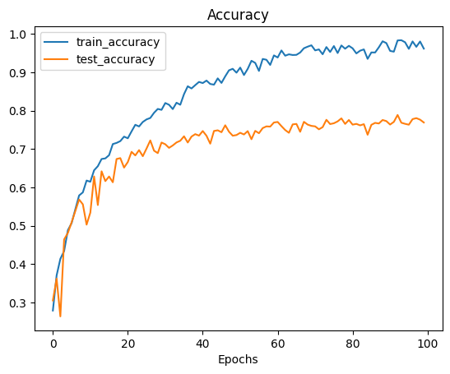
 | Validation | Training
0 | 0.305125 | 0.27887658228
1 | 0.362125 | 0.37045094937
2 | 0.263625 | 0.41376582278
3 | 0.46425 | 0.43393987342
4 | 0.481125 | 0.4883306962
5 | 0.508875 | 0.50672468354
6 | 0.5385 | 0.54311708861
7 | 0.568375 | 0.57891613924
8 | 0.555875 | 0.58702531646
9 | 0.502875 | 0.61787974684
10 | 0.53425 | 0.61471518987
11 | 0.6285 | 0.6445806962
12 | 0.554 | 0.65526107595
13 | 0.641875 | 0.67405063291
14 | 0.616375 | 0.67563291139
15 | 0.628375 | 0.68393987342
16 | 0.613375 | 0.71301424051
17 | 0.674 | 0.71598101266
18 | 0.676375 | 0.7207278481
19 | 0.651625 | 0.7323971519
20 | 0.666125 | 0.72804588608
21 | 0.69275 | 0.7460443038
22 | 0.683375 | 0.76325158228
23 | 0.69725 | 0.75890031646
24 | 0.681375 | 0.77056962025
25 | 0.701375 | 0.7772943038
26 | 0.7225 | 0.78105221519
27 | 0.69575 | 0.79450158228
28 | 0.689375 | 0.80458860759
29 | 0.717 | 0.80221518987
30 | 0.7125 | 0.82001582278
31 | 0.703125 | 0.81546677215
32 | 0.709375 | 0.80419303797
33 | 0.71725 | 0.82080696203
34 | 0.721625 | 0.81546677215
35 | 0.73325 | 0.84315664557
36 | 0.717 | 0.86372626582
37 | 0.7325 | 0.85799050633
38 | 0.738875 | 0.86669303797
39 | 0.735 | 0.875
40 | 0.747 | 0.87203322785
41 | 0.734625 | 0.87856012658
42 | 0.714 | 0.86965981013
43 | 0.747125 | 0.86787974684
44 | 0.748875 | 0.88429588608
45 | 0.743875 | 0.87242879747
46 | 0.762 | 0.88963607595
47 | 0.74525 | 0.90526107595
48 | 0.73475 | 0.90921677215
49 | 0.7365 | 0.89912974684
50 | 0.742375 | 0.91238132911
51 | 0.738 | 0.89299841772
52 | 0.74675 | 0.90901898734
53 | 0.725625 | 0.93018196203
54 | 0.747375 | 0.92464398734
55 | 0.74125 | 0.90367879747
56 | 0.754625 | 0.93492879747
57 | 0.759125 | 0.93275316456
58 | 0.7585 | 0.91930379747
59 | 0.76925 | 0.94422468354
60 | 0.770625 | 0.93868670886
61 | 0.75975 | 0.9570806962
62 | 0.749625 | 0.9434335443
63 | 0.742375 | 0.94699367089
64 | 0.76425 | 0.94521360759
65 | 0.7655 | 0.94560917722
66 | 0.745 | 0.95174050633
67 | 0.771 | 0.9628164557
68 | 0.76375 | 0.96696993671
69 | 0.760375 | 0.97053006329
70 | 0.759125 | 0.95727848101
71 | 0.7515 | 0.95984968354
72 | 0.757125 | 0.9471914557
73 | 0.77625 | 0.96598101266
74 | 0.765125 | 0.953125
75 | 0.76725 | 0.96855221519
76 | 0.772125 | 0.95035601266
77 | 0.78 | 0.97013449367
78 | 0.7655 | 0.96162974684
79 | 0.77575 | 0.96914556962
80 | 0.763625 | 0.96261867089
81 | 0.765625 | 0.94936708861
82 | 0.76175 | 0.95648734177
83 | 0.764875 | 0.95984968354
84 | 0.73725 | 0.93512658228
85 | 0.763125 | 0.95193829114
86 | 0.76825 | 0.95174050633
87 | 0.766625 | 0.96538765823
88 | 0.77575 | 0.98101265823
89 | 0.772875 | 0.97626582278
90 | 0.763875 | 0.95589398734
91 | 0.770875 | 0.95391613924
92 | 0.788875 | 0.98318829114
93 | 0.768625 | 0.98378164557
94 | 0.76575 | 0.9784414557
95 | 0.7635 | 0.96123417722
96 | 0.778 | 0.98061708861
97 | 0.780625 | 0.96657436709
98 | 0.776625 | 0.9804193038
99 | 0.76925 | 0.96182753165

